Cover
LGE Internal Use Only

LGE VS [OEM NAME] [PROJECT NAME]

System Integration Test Result Report

Document Information
Issuing authority |  | VS OOO Team
Configuration ID |  | Configuration Item ID of CMBook
Status of document |  | In Progress / Approved / Released

Revision History
Version | Date | Comment | Author | Approver
#.# | YYYY-MM-DD | OOOOOOOO | OOO | OOO

Trend Report
Test Case Pass Rate Trend
SW version | v1.0 | v2.0 | v3.0 | v4.0 | v5.0 | v6.0 | v7.0 | v8.0 | v9.0 | v10.0 | v11.0 | v12.0
Pass rate(%) | 95 | 98 | 99 | 85
 | Pass rate(%)
v1.0 | 95
v2.0 | 98
v3.0 | 99
v4.0 | 85
v5.0
v6.0
v7.0
v8.0
v9.0
v10.0
v11.0
v12.0

Improvement Status Trend
SW version | v1.0 | v2.0 | v3.0 | v4.0 | v5.0 | v6.0 | v7.0 | v8.0 | v9.0 | v10.0 | v11.0 | v12.0
Open (EA) | 9
Close (EA) | 20
 | Close (EA) | Open (EA)
v1.0 | 20 | 9
v2.0
v3.0
v4.0
v5.0
v6.0
v7.0
v8.0
v9.0
v10.0
v11.0
v12.0

Test Summary
Test Case Pass Rate
Defect Severity
Test Information
Division |  | xxxxx
Project (Model) |  | xxxx
HW (PCB) version
SW version
MICOM version
Variant
OEM delivery
Test start (YY/MM/DD-HH:MM) |  | 18/06/11-13:00
Test end (YY/MM/DD-HH:MM) |  | 18/06/18-12:00
Related document version |  | SRS v1.6
Tester |  | Gildong Hong
System interface coverage |  | 80.0% | Target | 90.0%
Test case pass rate |  | 75.0% | Target | 90.0%
OK/NG |  | NG

Test Summary
 |  | Total | Tested | Passed | Failed | Blocked | Verified rate | Pass rate | Remark
Test Case |  | 20 | 18 | 15 | 3 | 2 | 90.0% | 75.0% | Reason for Not Executed(Blocked) : Not Implemented - 2TCs Not Test - 2TCs (Spec Required), 2TCs (Deprecated)
Interface |  | 10 | 8 | 6 | 2 | 2 | 80.0% | 60.0%
Implication

Defect Severity
 |  | Total | Critical | Major | Minor | Comment | Remark
Defect |  | 8 | 2 | 2 | 2 | 2

Critical Defect List |  | List can be omitted if there is no relevant issue
No | Component (changed according to TC classification) | TC ID |  | Defects Description |  |  |  |  | Defect ID | Remark

Major Defect List |  | List can be omitted if there is no relevant issue
No | Component (changed according to TC classification) | TC ID |  | Defects Description |  |  |  |  | Defect ID | Remark

Minor Defect List |  | List can be omitted if there is no relevant issue
No | Component (changed according to TC classification) | TC ID |  | Defects Description |  |  |  |  | Defect ID | Remark

Comment Defect List |  | List can be omitted if there is no relevant issue
No | Component (changed according to TC classification) | TC ID |  | Defects Description |  |  |  |  | Defect ID | Remark

Closed Defect List |  | List can be omitted if there is no relevant issue
No | Component (changed according to TC classification) | TC ID |  | Defects Description |  |  |  |  | Defect ID | Remark

Test Environment
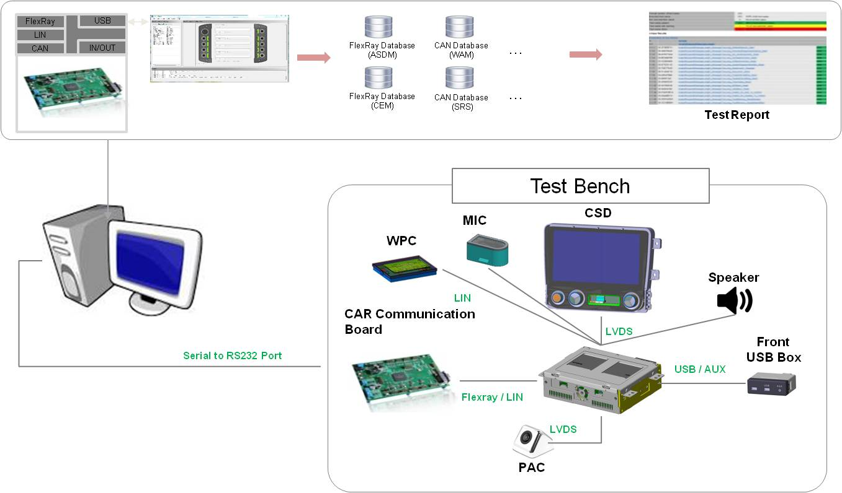
Test Environment
● Describe the test environment.
● If there is content defined in the plan document, it can be added by referring to the content.
● If there is a photo, you can add it as a photo.

[Example]

